Sheet1
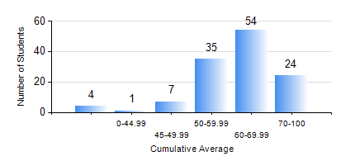
 |  |  | KWAME NKRUMAH UNIVERSITY OF SCIENCE AND TECHNOLOGY, KUMASI Department of Computer Engineering

 |  |  | BSC. COMPUTER ENG.

 |  |  | COMPREHENSIVE RECORD OF EXAMINATION RESULTS

 |  |  | RESULTS OF YEAR 3 SECOND SEMESTER, 2020/2021 ACADEMIC YEAR

 | Sn | Course Code |  | Course Name | Credit Hours | Min. Mark | Max. Mark | Avg. Mark | Std. Dev. | No. Passed | No. Trailed | No. (Df) | No. (I) | No. (I*) | No. Tagged(I,I*,Df) | Total
 | 0. |  |  |  |  |  |  | 0 | 0 | 0 | 0 | 0 | 0 | 0 | 0 | 6
 | 1. | COE 354 |  | OPERATING SYSTEMS | 4 | 0 | 84 | 57 | 12.79 | 112 | 7 | 0 | 0 | 0 | 0 | 119
 | 2. | COE 356 |  | INTRODUCTION TO SOFTWARE ENG. | 3 | 0 | 90 | 60 | 16.73 | 115 | 4 | 0 | 0 | 0 | 0 | 119
 | 3. | COE 358 |  | EMBEDDED SYSTEMS | 3 | 0 | 75 | 52 | 13.18 | 108 | 11 | 0 | 0 | 0 | 0 | 119
 | 4. | COE 368 |  | DATABASE AND INFORMATION RETRIEVAL | 3 | 0 | 91 | 63 | 15.46 | 113 | 6 | 0 | 0 | 0 | 0 | 119
 | 5. | COE 382 |  | DIGITAL COMPUTER DESIGN | 3 | 0 | 76 | 45 | 14.81 | 103 | 16 | 0 | 0 | 0 | 0 | 119
 | 6. | COE 392 |  | AUTOTRONIC LAB. | 2 | 0 | 89 | 68 | 11.33 | 116 | 1 | 2 | 0 | 0 | 2 | 119

